Basket collection
Eco Oasis Limited
Eco-Friendly & Bio-degradable Basket and Jute Floormat Collection

SL NO | Product Picture | Code | Description | Demension (CM) | Materials | Set/ Pcs | Packing Specification
 |  |  |  |  |  |  | Carton Size (CM) |  |  | QTY | CBM
 |  |  |  |  |  |  | L | W | H
#REF! | 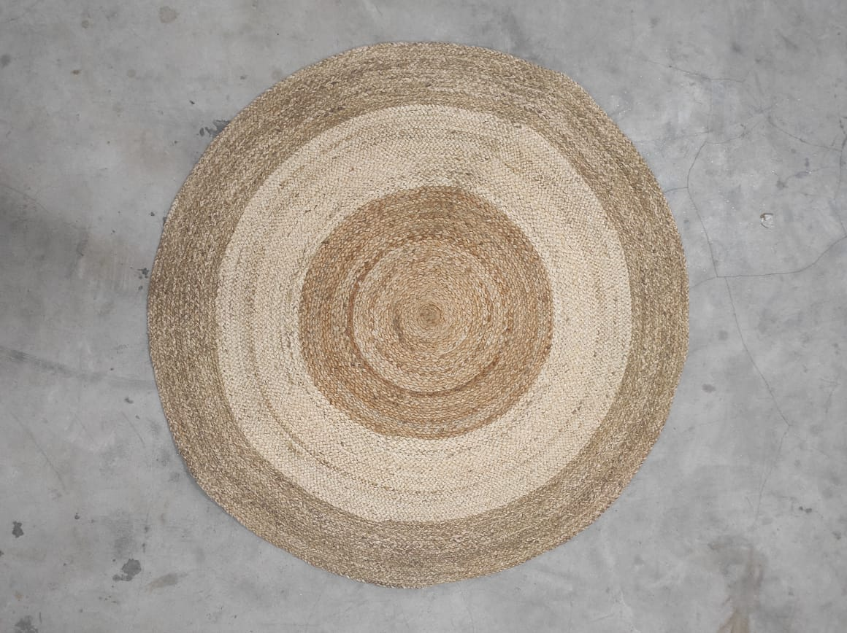 | GJ/182 | Round Mat plain (Rolling Packing ) | Dia 90 cm | Jute | 1 pc | 92 | 40 | 29 | 12 pcs | 0.107
#REF! | 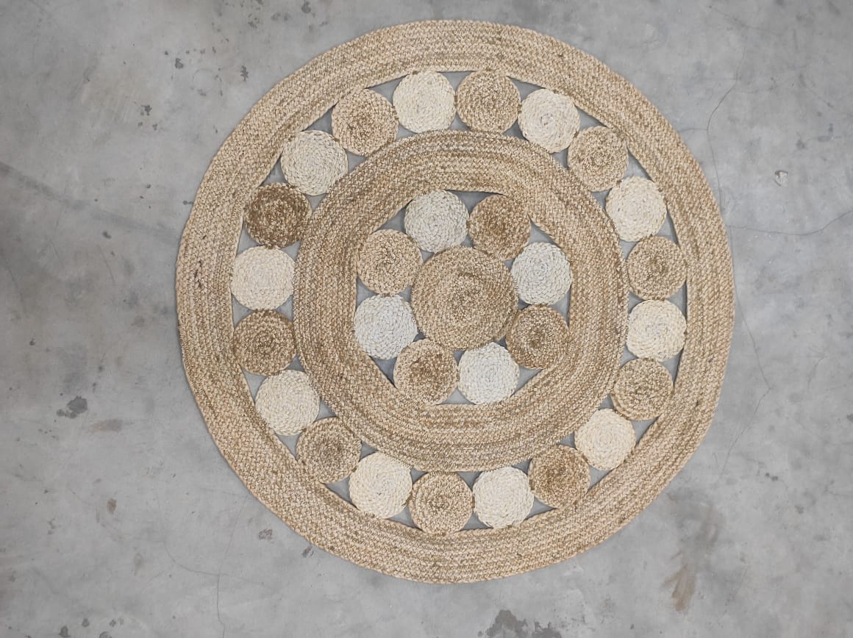 | GJ/183 | Round Mat with Coin Design | Dia 90 cm | Jute | 1 pc | 92 | 40 | 29 | 12 | 0.107
#REF! | 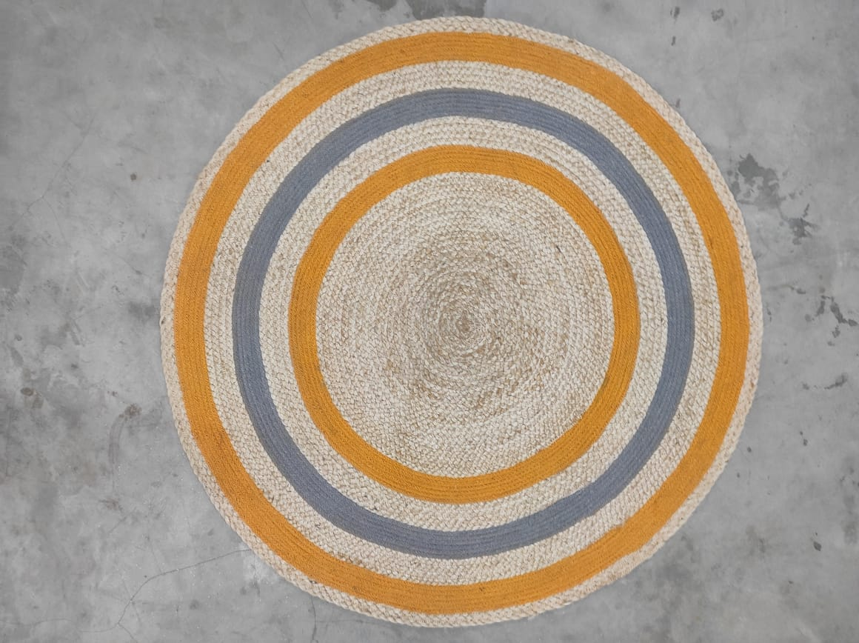 | GJ/184 | Round mat with colour | Dia 100 cm | Jute | 1 pc | 102 | 40 | 35 | 12 | 0.1428
#REF! | 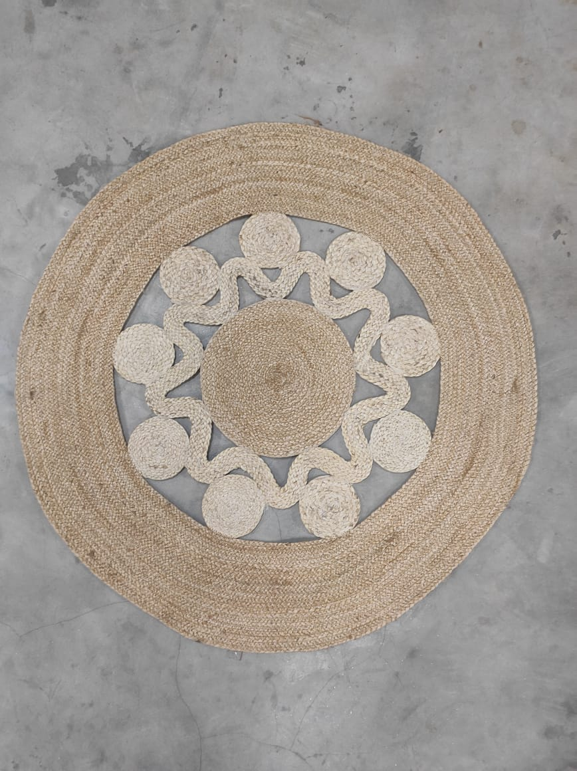 | GJ/185 | Round mat star Design | Dia 90 cm | jute | 1 pc | 92 | 40 | 29 | 12 | 0.107
#REF! | 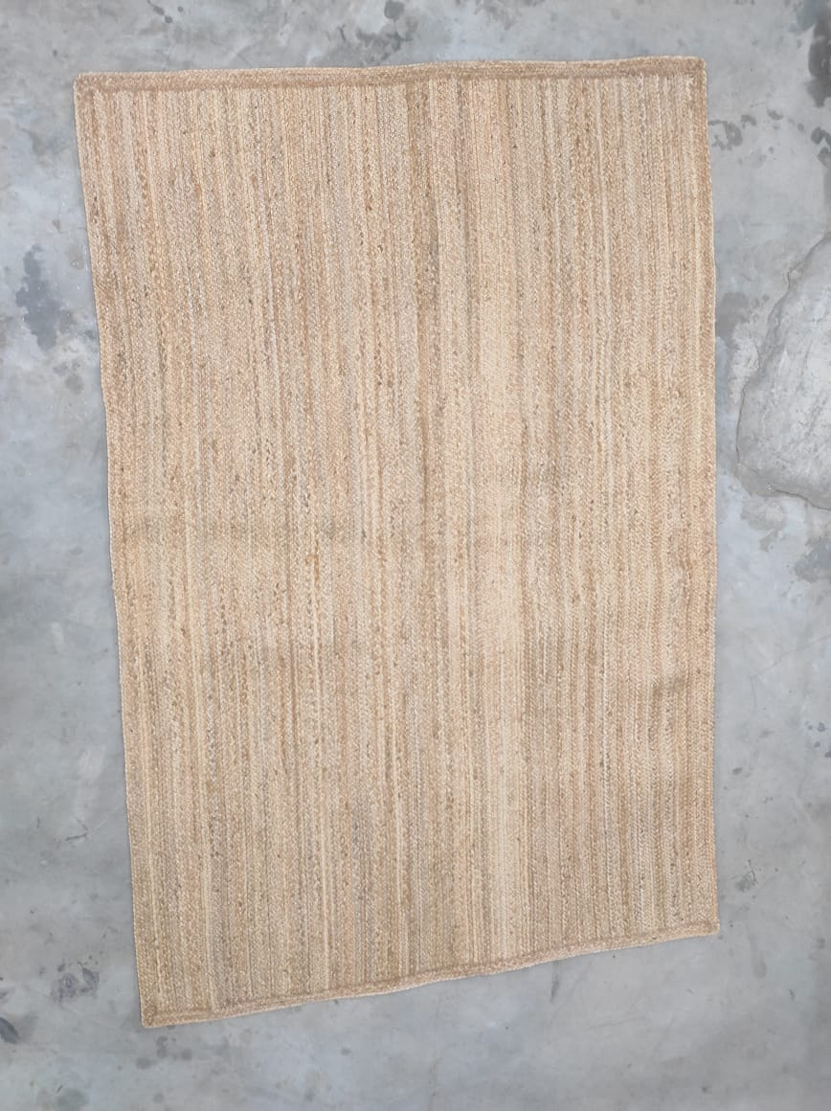 | GJ/186 | Rect. Mat | Length 180 cm Width 120 cm | Jute | 1 pc | 122 | 32 | 32 | 4 | 0.125
#REF! | 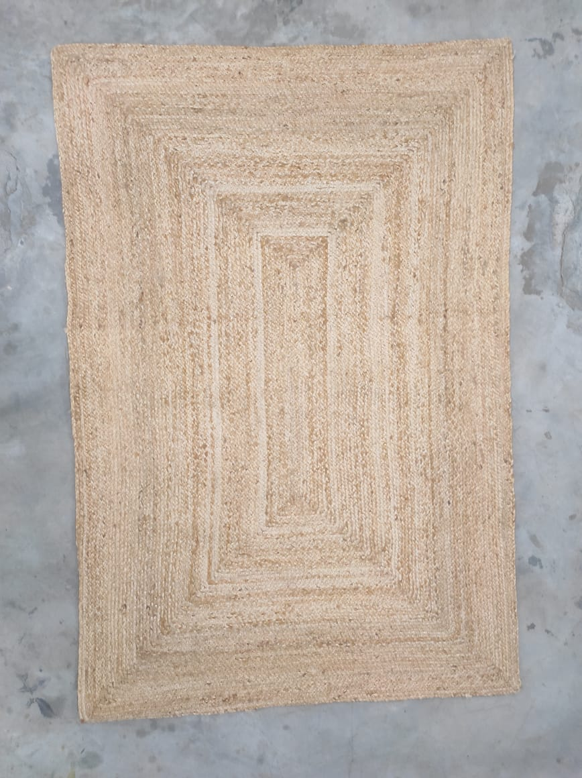 | GJ/187 | RECT. Mat | Length 180 cm Width 120 cm | Jute | 1 pc | 122 | 32 | 32 | 04 pcs | 0.125

